Cover Letter
PRINT
Olympus OER-Pro Operational Cost Calculator
Facility Name

 | Investing in Automatic Endoscope Reprocessing (AER) technology is an important decision to all organizations using flexible endoscopes. Understanding the benefits and costs associated with ownership of AER technology is critical to maximizing revenue and ensuring patient safety. That's why Olympus developed the Olympus OER-Pro Operational Cost Calculator.
 | The OER-Pro can be a compelling business proposition and a major addition to your existing portfolio of cleaning, disinfecting and sterilization products. In an effort to assist our current and prospective customers with their own analyses, Olympus has developed a flexible and tailored OER-Pro Operational Cost Calculator.
 | The OER-Pro is easier, faster, and more reliable than other competitors in its class and offers a full range of features and functions to consider when performing your analysis:
 | q | Compact single basin design allows you to reprocess up to two scopes at a time
 | q | Reprocessing times as low as 26 minutes
 | q | Elimination of 7 of 11 manual reprocessing steps (FDA Approved)
 | q | RFID scanning technology that quickly and easily gathers scope model, serial number and technician ID
 | q | Two dedicated High Level Disinfectant (HLD) options validated for material compatibility.
 | q | Optional data management capabilities allow you to efficiently manage cycle data
 | q | Flexible financial options tailored to meet your needs
 | q | Accredited Biomed and technician training courses offered through Olympus University
 | q | Olympus offers 24/7 technical support
 | q | Our customers can utilize web portals for repair history and equipment information
 | q | Our broad Field Support Team is available to serve your needs

 | This calculator illustrates operational cost projection comparisons of the OER-Pro based on specific cost assumptions. This tool is designed to be flexible and to take into account your unique customer information.
 | Thank you for your time and interest in Olympus' products and solutions. At Olympus, we appreciate the opportunity to partner with our customers to provide the most advanced and efficient care to your patients. We look forward to doing business with you.

 | Best Regards

 | [Enter Name]
 | Endoscopy Account Manager

Input
Olympus OER-Pro Operational Cost Calculator

Click for
Estimated Annual Units
To begin, please fill in the yellow highlighted items. The placeholder values are conservative assumptions calculated by Olympus that are based on industry statistics and feedback. If you have detailed information as it relates to your particular facility, simply delete the assumed value and replace with your specific data.
Olympus OER-Pro Specifics |  |  |  |  | Competitive AER Specifics
Procedures per year |  | 2000 |  |  | Procedures per year |  | 2000
Recommended # of OER-Pros |  | 1 |  |  | Recommended # of OER-Pros |  | 1
# of scopes per basin |  | 1.75 |  |  | # of scopes per basin |  | 1.75
Estimated number of cycles per year |  | 1143 |  |  | Estimated number of cycles per year |  | 1143

 |  | Olympus OER-Pro with ALDAHOL 1.8 |  | Olympus OER-Pro with Acecide-C |  | AER #3:

 | Chemical |  | Chemical |  |  | Chemical
 | Discount | 5% | Discount | 5% |  |  |  | Olympus Discount cannot exceed 5% for standard sales.
 | Purchase price (per case) | $109.25 | Purchase price (per case) | $940.50 |  | Chemical Cost per scope | $0.00 | 10% discount is permitted for Leveraged Agreements only.
 | Units per case/package | 4 | Units per case/package | 6 |  | Purchase price (per case) | 98.85
 | Units required for operation (per basin) | 5 | Units required for operation | 1 |  | Units per case/package | 4
 | Maximum uselife (# of cycles per basin) | 22 | Maximum uselife (# of cycles per basin) | 18 |  | Units required for operation
 | Chemical cost per scope | $3.55 | Chemical cost per scope | $4.98 |  | Maximum uselife (# of cycles per basin)

 | Detergent |  | Detergent |  |  | Detergent
 | Discount | 5% | Discount | 5% |  |  |  | Olympus Discount cannot exceed 5% for standard sales.
 | Purchase price | $95.00 | Purchase price | $95.00 |  | Detergent Cost per scope | $0.00 | 10% discount is permitted for Leveraged Agreements only.
 | Units per case/package | 3 | Units per case/package | 3 |  | Purchase price
 | Units required for operation (per basin) | 1 | Units required for operation (per basin) | 1 |  | Units per case/package
 | Maximum uselife (# of cycles) | 30 | Maximum uselife (# of cycles) | 30 |  | Units required for operation (per basin)
 | Detergent cost per scope | 0.60 | Detergent cost per scope | 0.60 |  | Maximum uselife (# of cycles)

 | Test Strips |  | Test Strips |  |  | Test Strips
 | Discount | 5% | Discount | 5%
 | Purchase price | $99.75 | Purchase price | $85.50 |  | Test Strips cost per scope | $0.00 | Olympus Discount cannot exceed 5% for standard sales.
 | Units per case/package | 120 | Units per case/package | 100 |  | Purchase price |  | 10% discount is permitted for Leveraged Agreements only.
 | Units required for operation (per basin) | 1 | Units required for operation (per basin) | 1 |  | Units per case/package
 | Maximum uselife (# of cycles) | 1 | Maximum uselife (# of cycles) | 1 |  | Units required for operation (per basin)
 | Test Strips cost per scope | $0.48 | Test Strips cost per scope | $0.49 |  | Maximum uselife (# of cycles)

 | Filters* | With Pre-Filtration | Filters * | With Pre-Filtration |  | Filters*
 | Annual cost | $3,382.00 | Annual cost | $3,382.00 |  | Annual cost | $0.00 | Olympus Discount cannot exceed 5% for standard sales.
 | Discount | 5% | Discount | 5% |  | Cost per scope | $0.00 | 10% discount is permitted for Leveraged Agreements only.
 | Filter cost per scope | $1.69 | Filter cost per scope | $1.69

 | Service |  | Service |  |  | Service
 | Annual fee | $4,175.25 | Annual fee | $4,175.25 |  | Annual cost | $0.00
 | Discount | 5% | Discount | 5% |  | Service cost per scope | $0.00
 | Service cost per scope | $2.09 | Service cost per scope | $2.09

 | Labor |  | Labor |  |  | Labor
 | Additional costs above service | $0.00 | Additional costs above service | $0.00 |  | Additional costs above service (annual) | $0.00
 | Labor cost per scope | $0.00 | Labor cost per scope | $0.00 |  | Labor cost per scope | 0.00

 | Operation Time (per scope) |  | Operation Time (per scope) |  |  | Operation Time (per scope)
 | Pre-cleaning | 2 | Pre-cleaning | 2 |  | Pre-cleaning | 2
 | Leakage testing | 4 | Leakage testing | 4 |  | Leakage testing | 4
 | Manual cleaning | 3 | Manual cleaning | 3 |  | Manual cleaning
 | AER processing | 29 | AER processing | 26 |  | AER processing
 | Post-AER processing | 3 | Post-AER processing | 3 |  | Post-AER processing | 3

Safety Issues
Safety Issues

Background Information / Data to Consider:
Olympus created the OER-Pro because no one understands the intricacies of our endoscopes better than we do. Since the OER-Pro eliminates a significant number of steps in the manual cleaning process, you can overcome common user errors and provide faster turnaround times. Because of our intimate knowledge of Olympus endoscope design, we can provide guaranteed material compatibility of our high level disinfectants and detergents. In addition, you can be assured that endoscopes repaired by Olympus maintain their reprocessing validation, this also includes our CPO, used and demo equipment. This is not the case for Olympus endoscopes repaired with third party components. This intimate knowledge and continuous component validation allow us to bring you efficiencies such as eliminating 7 of the 11 recommended manual cleaning steps. The OER-Pro features also provide the following safety values: • Optimizes infection control efforts • Tracks scopes to patient, OER-Pro, and reprocessing technician • Mitigates risk • OER-Pro with the Acecide-C cartridge system minimizes staff exposure to chemicals
Additionally, new guideline &/or standards of care have emerged that heighten endoscope reprocessing-related documentation requirements. The current OER-Pro documentation is shown below with right side-bar that summarizes how this complies with these new documentation guidelines currently as well as what will be available very soon.
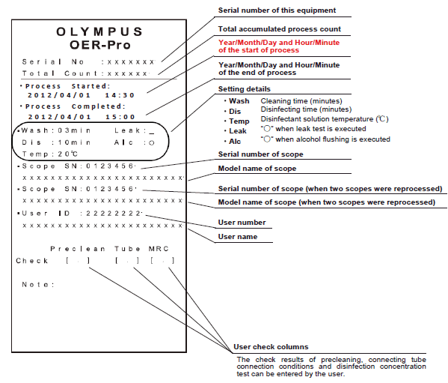

The OER-Pro currently records and can print paper receipts records containing:
•Serial Number / Endoscope ID
•AER ID
•Reprocessing Staff Member
•Errors
•Other details as shown on the left
The MAJ-2022 Data Capture Unit further expands the OER-Pro 's data capture ability storing up to 20,000 reprocessing records.
The OER-Pro with IN10 Reprocessing Management Module is the OER-Pro's most advanced data management option allowing users to combine cycle, staff, scope model/serial number and external data such as:
•Patient Name
•Medical Record Number
•Procedure Type
•Endoscopist
The IN10 Reprocessing Management Module exceeds ALL of the documentation requirements noted in all Multi Society Guidelines.

Acecide-C
Acecide-C Advantages

Safety:
 | Ease of use & minimal staff exposure when changing cartridges (as opposed to pouring other liquid chemical germicides) as shown below:

3 easy steps for OER-Pro / Acecide-C peracetic acid cartridge changes:

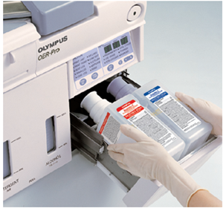

Step 1
Remove the empty cassette bottles from the disinfectant bottle drawer.

Step 2
Hold the new disinfectant cassette bottles together and place them on the disinfectant bottle drawer so that the bottle with the purple cap is on the right.

Step 3
Lift the disinfectant bottle drawer so that it is level, and insert it all the way. The buzzer should beep, the drawer should lock, and the disinfectant cassette bottles should open automatically.

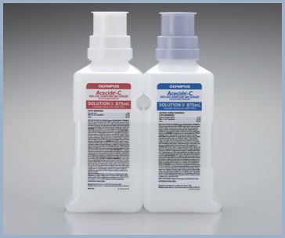

Acecide-C is an aldehyde-free, liquid chemical germicide that provides an easier, safer, more efficient reprocessing solution – proven for material compatibility by Olympus for Olympus endoscopes.

Superior Efficacy:
 | Faster tuberculocidal activity than Cidex as shown below. Refer to Acecide-C brochure for complete details.
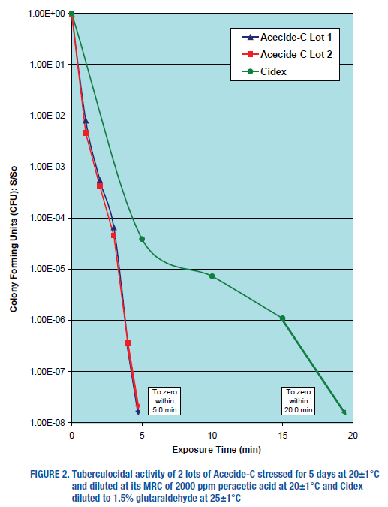
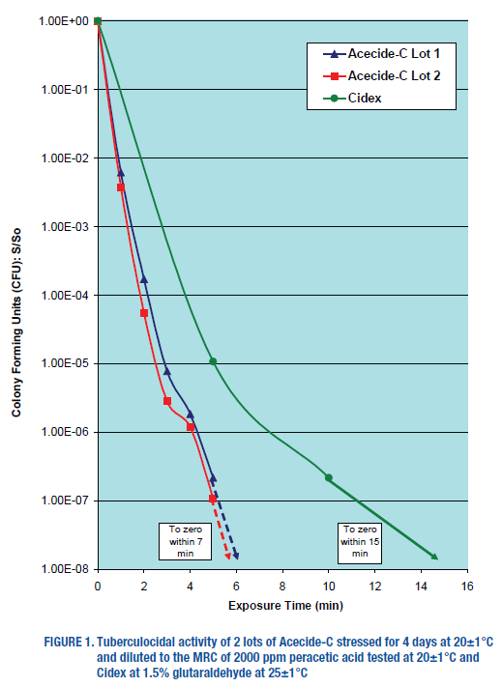

Safe, Efficient, Easy to Use
 | Delivered in easy-to-handle cassette bottles that minimize staff exposure
 | Achieves high-level disinfection in 7 minutes resulting in a short, 26-minute OER-Pro cycle time
 | Validated by Olympus to maintain the exceptional performance you expect day after day

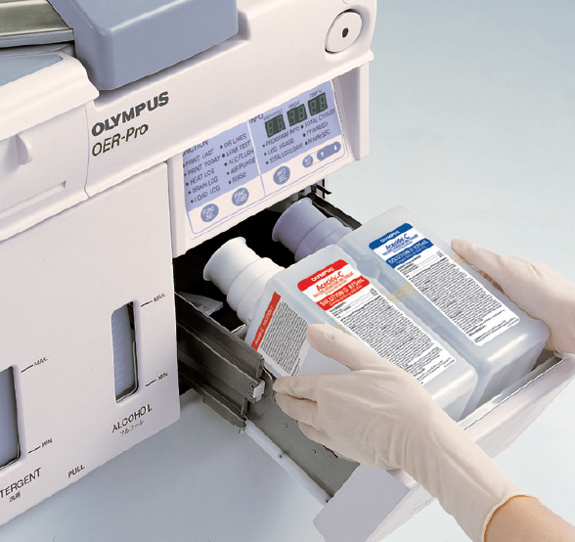
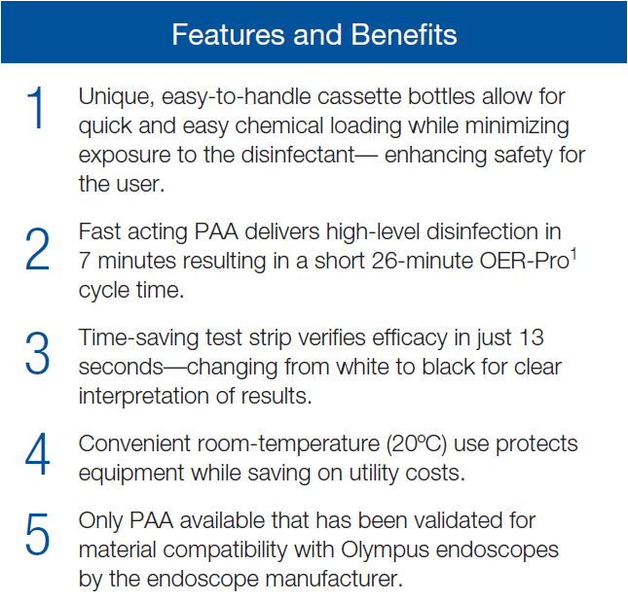

Time Savings

ALDAHOL 1.8
ALDAHOL 1.8 High-Level Disinfectant

ALDAHOL 1.8 is the result of a groundbreaking scientific discovery. Scientists discovered that low concentrations of isopropanol greatly enhance the mycobactericidal activity of glutaraldehyde. ALDAHOL 1.8 was created to provide fast-acting, room-temperature, high-level disinfection for reprocessing.

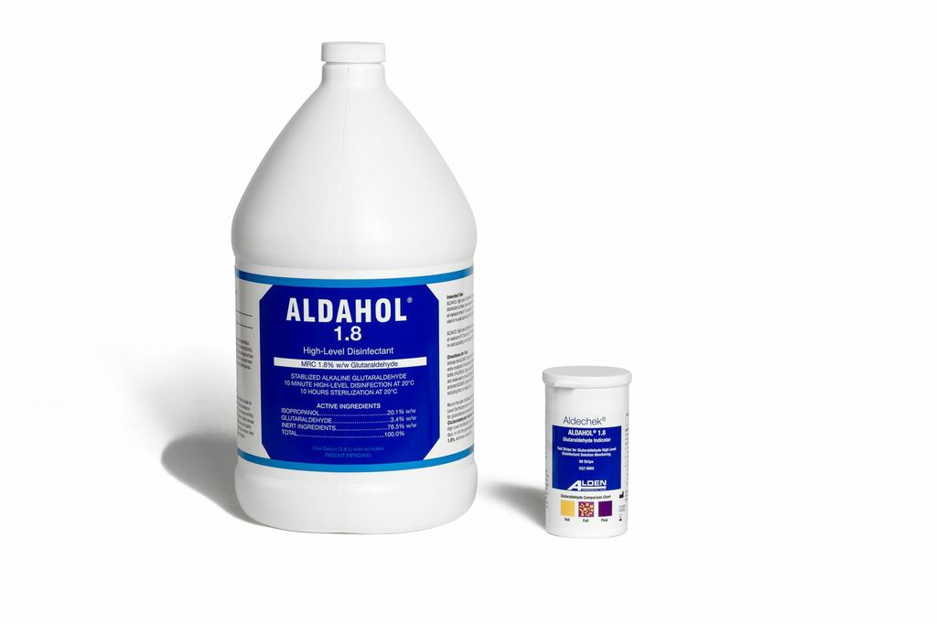
HLD Kill-Rate Comparison
With a kill rate exceeding glutaraldehyde and OPA at the same time and temperature, you can ensure confident, efficient reprocessing with ALDAHOL 1.8.

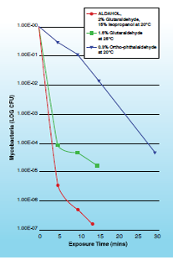

Features and Benefits
Fast Acting
 | ALDAHOL 1.8 is rapidly active against all vegetative bacteria, fungi, virus types, mycobacteria, and spore-forming bacteria. When used manually at just 10 minutes, it is the fastest high-level disinfectant on the market.

Energy Efficient
 | Used at room temperature (68 degrees F), ALDAHOL 1.8 frees your facility from the time and expense of having to continuously heat chemicals, using less energy overall.

Simple to Use
 | ALDAHOL 1.8 has a convenient 14-day maximum use life, and an easy-to-use liquid activator that changes ALDAHOL 1.8 to red for visual confirmation. Additionally, it rinses easily from all surfaces.

Widely Compatible
 | Unlike some other aldehyde-based solutions, ALDAHOL 1.8 is ideal for all Olympus and Gyrus ACMI flexible endoscopes.

